TEST
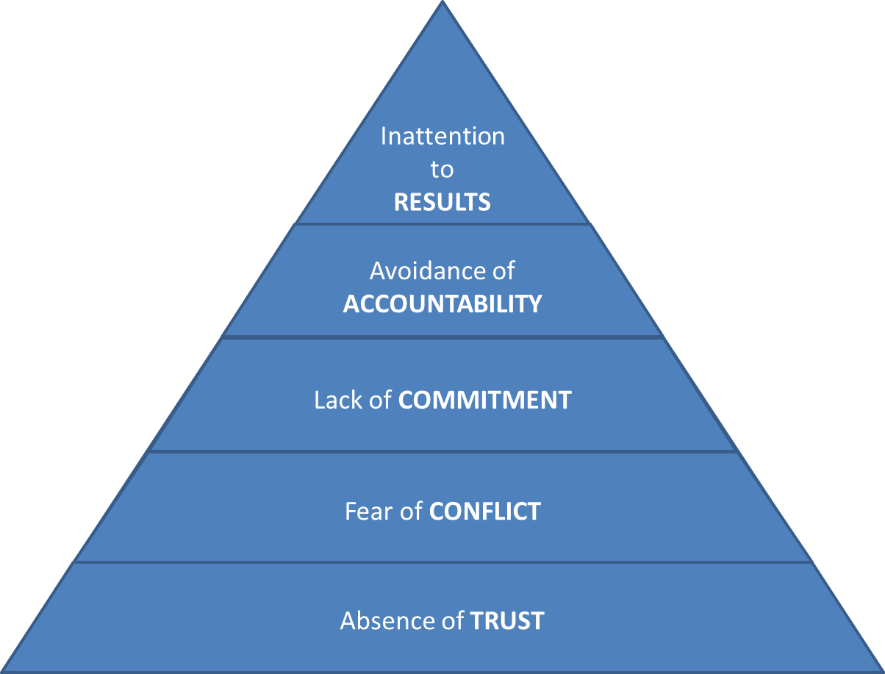
Assessment - "Five Dysfunctions of a Team," by Patrick Lencioni |  |  | Absence of Trust | Fear of Conflict | Lack of Commitment | Avoidance of Accountability | Inattention to Results
 |  | Patrick Lencioni, "The Five Dysfunctions of a Team," Jossey-Bass, San Franscisco, 2002 |  |  |  |  |  | TO:
 |  |  |  |  |  |  |  | FROM:
 |  | Instructions |  |  |  |  |  | SUBJECT:
 |  | Indicate how each statement applies to your team. It is important to evaluate the tatements honestly and without over-thinking your answers | Based on your answers: 8 to 9 is a probable indication that this dysfunction is not a problem for your team, 6 to 7 indicates that the dysfunction could be a problem, and 3 to 5 is probably an indication that the dysfunction needs to be addressed.

 |  | Situations
 |  |  | Description
TRUE | FALSE | Team members are passionate and unguarded in their discussion of issues.
 | FALSE
 | FALSE

TRUE | FALSE | Team members call out one another's deficiencies and unproductive behaviors.
 | FALSE
 | FALSE

TRUE | FALSE | Team members know what their peers are working on and how they contribute to the collective good of the team.
 | FALSE
 | FALSE

TRUE | FALSE | Team members quk and genuinely apologize to one another when they say or do something inappropriate or possibly damaging to the team.
 | FALSE
 | FALSE

TRUE | FALSE | Team members willingly make sacrifices, ch as time and effort, for the good of the team.
 | FALSE
 | FALSE

TRUE | FALSE | Team members openly admit their weaknesses and mistakes.
 | FALSE
 | FALSE

TRUE | FALSE | Team meetings are compelling and not boring.
 | FALSE
 | FALSE

TRUE | FALSE | Team members leave meetings confident that their peers are completely commited to the decisions that were agreed on, even if there was initial disagreement.
 | FALSE
 | FALSE

TRUE | FALSE | Morale is significantly affcted by the failure to achieve team goals.
 | FALSE
 | FALSE

TRUE | FALSE | During team meetings, the most important - difficult - issue are put on the table to be resolved.
 | FALSE
 | FALSE

TRUE | FALSE | Team members are deeply concerned about the prospect of letting down their peers.
 | FALSE
 | FALSE

TRUE | FALSE | Team members know about one another's personal lives and are comfortable discussing them.
 | FALSE
 | FALSE

TRUE | FALSE | Team members end discussions with clear and specific resolutions and calls to action.
 | FALSE
 | FALSE

TRUE | FALSE | Team members challenge one another about their plans and approaches.
 | FALSE
 | FALSE

TRUE | FALSE | Team members are slow to seek credit for their own contributions, but quick to point out those of others.
 | FALSE
 | FALSE

Left to Answer | 15

Sheet3
Absence of TRUST
Fear of CONFLICT
Lack of COMMITMENT
Avoidance of ACCOUNTABILITY
Inattention to RESULTS

